MD
Cennik detaliczny netto - styczeń 2024 Metal Detectors
Metal Detector |  |  |  | Kurs Euro | 4.32 zł
Model | Reference | Device Photo | Specifications | Cena jednostkowa MSRP (w EUR) | Cena jednostkowa MSRP (w PLN)
D100S | MD-ZKD100S |  | Device Dimension: 410(L)×85(W)×45(H)mm AC Adapter:Rechargeable 9V Ni-MH Battery, DC charger | 90.59 € | 391.33 zł
D180 | MD-ZKD180 |  | Compact size, Portable Power: Stand 9V Higher Sensitivity Visualize metal detection indicator Controllable sound and vibration effect Rechargeable Battery, DC charger | 101.29 € | 437.59 zł
 | ACC-PS-ZKD180 |  | Charger for ZKD100S and ZKD180 | 17.71 € | 76.51 zł
D300 | MD-ZKD300 |  | Visualize metal detection indicator Device Dimension: 360(L)×82.5(W)×42.5(H)mm Power:Rechargeable Battery, 5V USB charger (with optional EU, UK and USA standard) White Grey two color optional | 124.93 € | 539.70 zł
D3180 | MD-ZKD3180 | 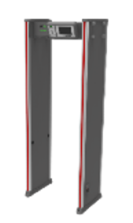 | Zone:18 Power Supply: AC100V ~ 240V Working Temperature: -20°C ~ 55°C Working Frequency: 5.7KHz ~ 9.6KHz Input Voltage: DC12V Working Current: 1.2A Running Power: 14W Packing Dimension (H*W*L): 2280*347*660 (mm) Weight with Packing: 52kg TCP/IP communication/APP Remote control Linkage with turnstile Optional: 12H Backup Battery, WiFi | 1,958.00 € | 8,458.54 zł
 |  |  | 12H Backup Battery: | 227.92 € | 984.61 zł
 |  |  | Optional Wi-Fi | 260.48 € | 1,125.27 zł
D4180 | MD-ZKD4180N | 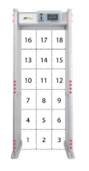 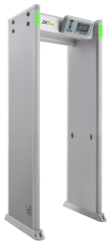 | Detecting Zones: 18 zones 7 inch LCD display Input Voltage: DC15V LED indicators: four LED light bars Sensitivity Level: 500 Package Dimensions(mm):2300 (H) x 335(W) x 800 (D) Gross Weight:70 kg Networking(TCP/IP):standard Wooden frame packing: standard Touch Panel: standard Optional: 4H/8H Backup Battery, Universal wheel, IP65, WiIFi | 3,547.71 € | 15,326.09 zł
 |  |  | Optional 4H Backup Battery | 97.68 € | 421.98 zł
 |  |  | Optional 8H Backup Battery | 162.80 € | 703.30 zł
 |  |  | Optional Universal wheel | 162.80 € | 703.30 zł
 |  |  | Optional IP65 | 325.60 € | 1,406.59 zł
 |  |  | Optional Wi-Fi | 260.48 € | 1,125.27 zł
D4330 | MD-ZKD4330N | 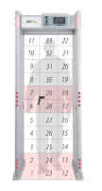 | Detecting Zones: 33 zones 7 inch LCD display Input Voltage: DC15V LED indicators: four LED light bars Sensitivity Level: 500 Package Dimensions(mm):2300 (H) x 335(W) x 800 (D) Gross Weight:70 kg Networking(TCP/IP):standard Wooden frame packing: standard Touch Panel: standard Optional: 4H/8H Backup Battery, Universal wheel, IP65, WiIFi | 4,041.15 € | 17,457.78 zł
 |  |  | Optional 4H Backup Battery | 97.68 € | 421.98 zł
 |  |  | Optional 8H Backup Battery | 162.80 € | 703.30 zł
 |  |  | Optional Universal wheel | 162.80 € | 703.30 zł
 |  |  | Optional IP65 | 325.60 € | 1,406.59 zł
 |  |  | Optional Wi-Fi | 260.48 € | 1,125.27 zł
AMD1800 Pro | MD-AMD1800-PRO | 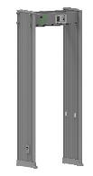 | Zone:18 Ingress Protection: IP65 Power Supply: AC100V ~ 240V Working Temperature: -20°C ~ 55°C Working Frequency: 5.7KHz ~ 9.6KHz Input Voltage: DC12V Working Current: 1.5A Running Power: 18W Packing Dimension (L*W*H): 2285*260*615 (mm) Weight with Packing: 73kg TCP/IP communication/APP Remote control, Linkage with turnstile | 2,258.62 € | 9,757.25 zł
FMD | MD-FMD2.0-PRO |  | Portable Ferromagnetic Mobile Phone and Metal Detection System Working Temperature: -10°C ~ 50°C Storage Temperature : -35°C ~ 70°C Operating Humidity: 0% to 95% (non-condensing) Ingress Protection: IPX5 Input Voltage: DC15V Working Current: 260mA Working Power: 3.9W Embedded Rechargeable Battery: 28h of continuous operation with 8h battery charge Battery Capacity : 10000mAh Material: Aluminum Alloy Sensitivity Level : 100 Alarm Zone: 3 zones Communication: TCP/IP; WIFI Touch Screen Size: 3.5” Alarm Volume: 1 to10 levels Alarm Ring: 6 types Speed of Throughput: 50 people per minute Dimension (H*W*L): 361 * 380 * 1969 (mm) Packing weight: 40kg Net weight: 16kg | 6,188.15 € | 26,732.82 zł
MD Integrated Turnstile | 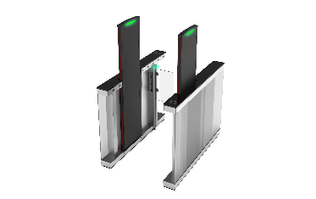 MD-MST150PRO |  | Input Voltage: 110V to 240V, 50/60 Hz Metal Detection: 15 overlapping zones Sensitivity: 250+ adjustable settings Motor: Brushless DC Motor Movement: Swing Infrared Sensors: Turnstile Gate has 7 pairs Walk-Through Metal Detector has 2 pairs Gross Weight: 337kg MCBF: 10 million TCP/IP: Yes Working Frequency: 5.7 kHz to 9.6 kHz Working Environment: Indoor only Working Temperature: 0ºC to 45ºC Working Humidity: <93% (non-condensing) External Dimensions(LxWxH): 1703 x 1164 x 1816 mm Lane Dimensions (LxWxH): 1703 x 711 x 1816 mm | 29,094.83 € | 125,689.66 zł
Prices : EXW Madrid Guarantee : 3 Years IMPORTANT NOTE: The official prices of ZKTeco Europe are always in EUR currency. The prices in PLN are just orientative prices of ZKTeco products for quoting purpose and may change depending on a current exchange rate. ZKTeco Europe takes no responsability for the prices in PLN.

